Assignment
UserDetailsC | Refer to the previous exercise. After saving the values, display the values in the browser using this servlet to generate the HTML output.

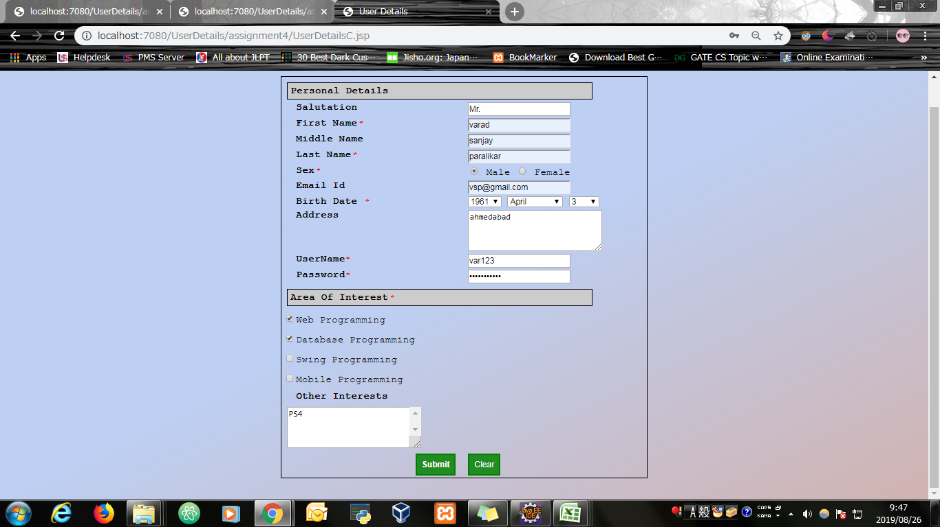
Input Screen

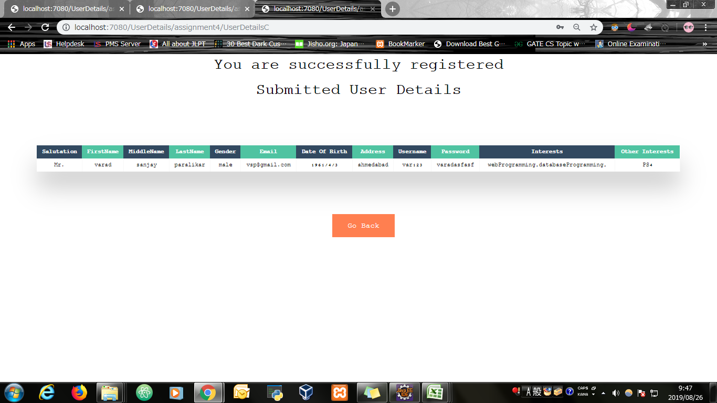
Output Screen

Evidence
Screen shoot 1: | Page Load

Screen shoot 2: | Error Message

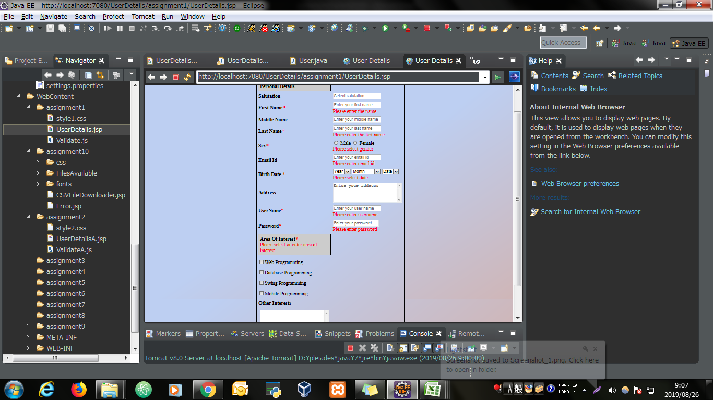

Screen shoot 3: | Successfully display data and save to database

